Sheet1
Nr. | Name | Surname | Date of Birth | Passport data | Citizenship | Living in | Phone number | Relatives phone number | Photo | Last known location
1 | AGNESE | FŪRMANE | 14.04.1974 | LV7606854 | Latvian | Latvia | +37129414102 | +37126513931 (Klaudija) | 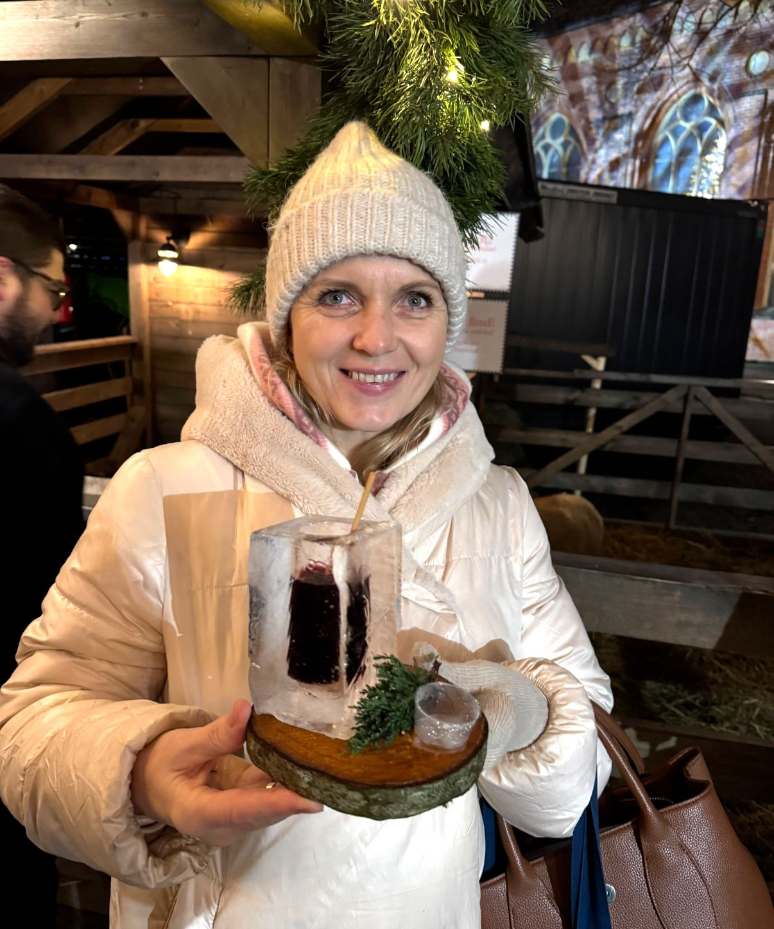 | Gyirong port area
2 | ANNA | PAHOLOVA | 12.05.1979 | LV6764531 | Latvian | Latvia | +371 28892616 | +371 27 740 634 (Gleb) |  | Gyirong port area
3 | ANNA | GRIGORJEVA | 14.12.1972 | LV7046550 | Latvian | Latvia |  |  |  | Gyirong port area
4 | ANŽELIKA | TUČE | 03.02.1981 | LV6792108 | Latvian | Latvia | +371 29 637 198 | +371 29 770 189 (Kitija) | 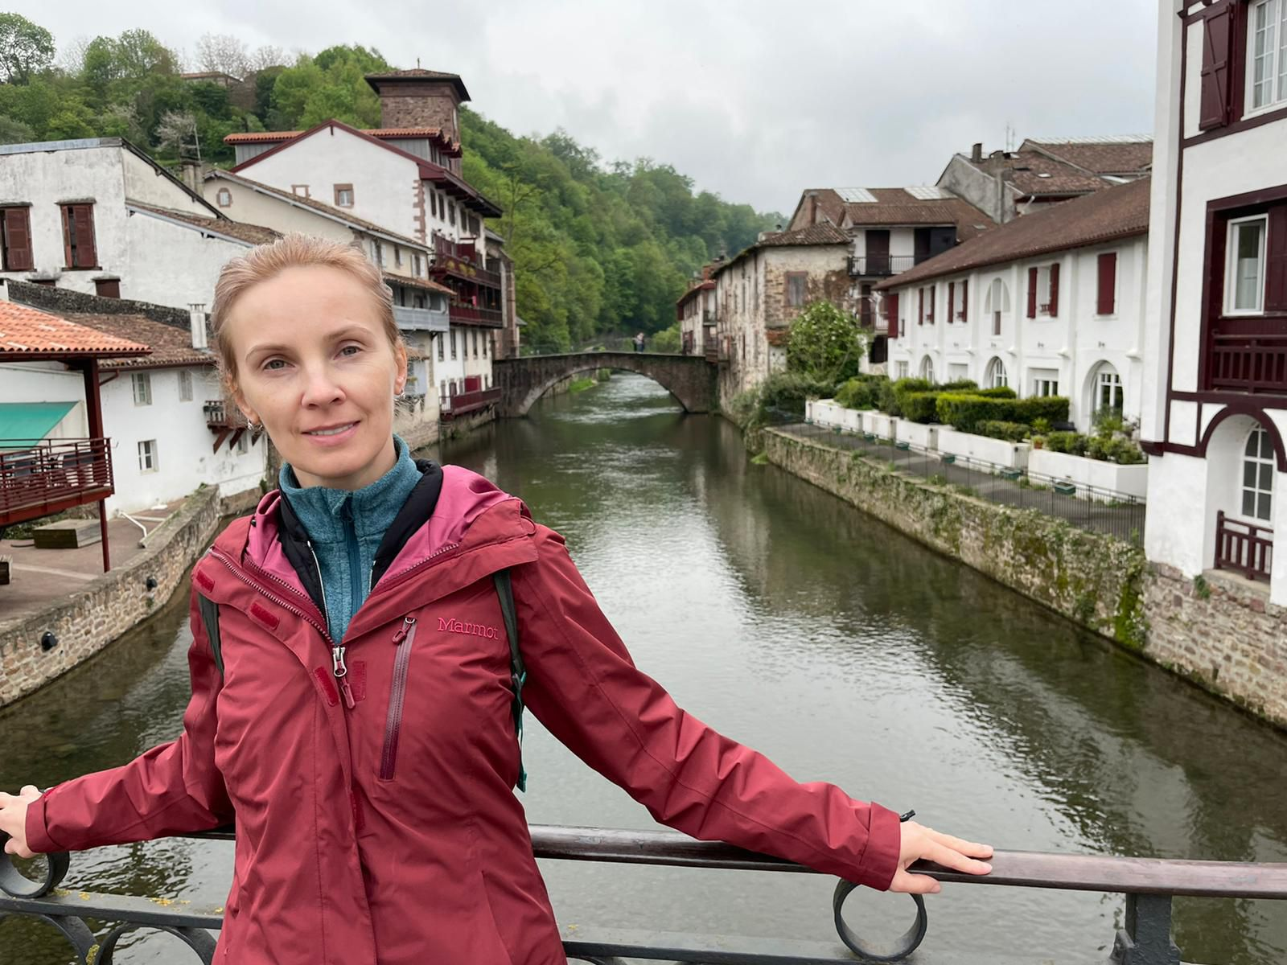 | Gyirong port area
5 | DMITRIJS | GRIŠINS | 13.03.1980 | LV6549079 | Latvian | Latvia |  | +371 29 597 729 (Katerina) |  | Gyirong port area
6 | EGIJA | KERLIŅA | 15.12.1979 | LV7384424 | Latvian | Latvia |  |  | 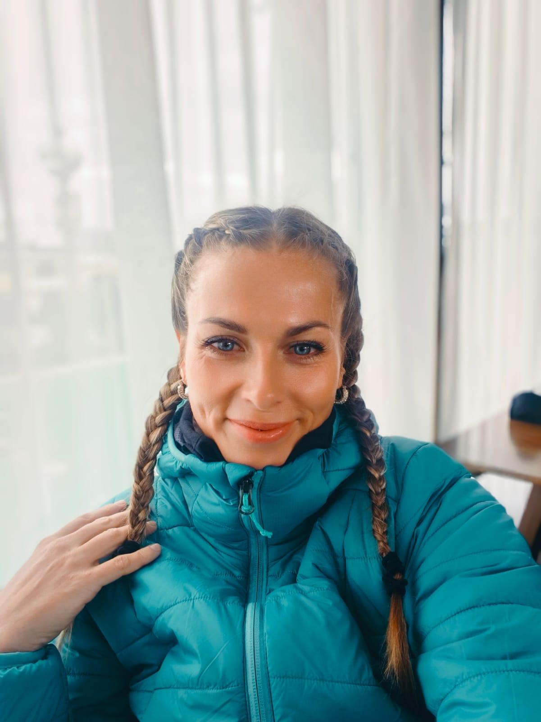 | Gyirong port area
7 | ELENA | OKSUZ | 14.09.1977 | 552112541 (RU) | Russian / Turkish | Russia / Turkey | +905334746329 +43 677 64306718 | +905380203081 (Asja) |  | Gyirong port area
8 | ELEONORA | CIRCENE | 22.01.1965 | LV7377756 | Latvian | Latvia | +371 2 3775489 | +37126896879 (Kristine) |  | Gyirong port area
9 | INGA | VEISA | 24.08.1966 | LV6630682 | Latvian | Latvia |  |  |  | Gyirong port area
10 | IRINA | SAFRONOVA | 21.04.1985 | LV7672615 | Latvian | Latvia | +371 26 088 006 | +37125900748 |  | Gyirong port area
11 | IRITA | KIRŠBLŪMA | 18.03.1974 | LV6980208 | Latvian | Latvia | 371 29 333 076 | 00 37129396222 (Hencis) |  | Gyirong port area
12 | JELENA | TIMOFEJEVA | 11.02.1970 | LV5990768 | Latvian | Latvia | 00371 26 520 132 | 00393294742392inga | 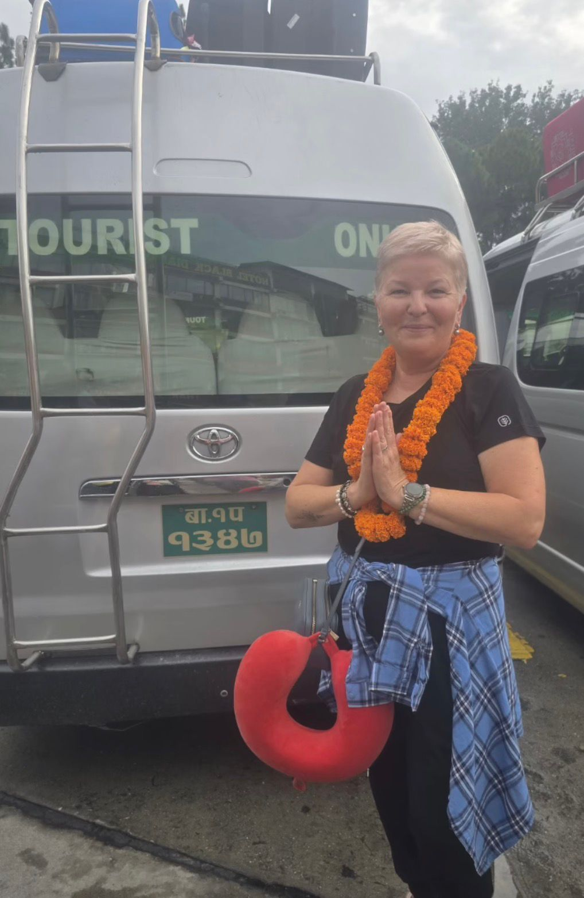 | Gyirong port area
13 | JŪLIJA | ĻENA | 01.11.1971 | LV6696242 | Latvian | Latvia | +371 29 663 437 | +371 26738800 (Dzintars) | 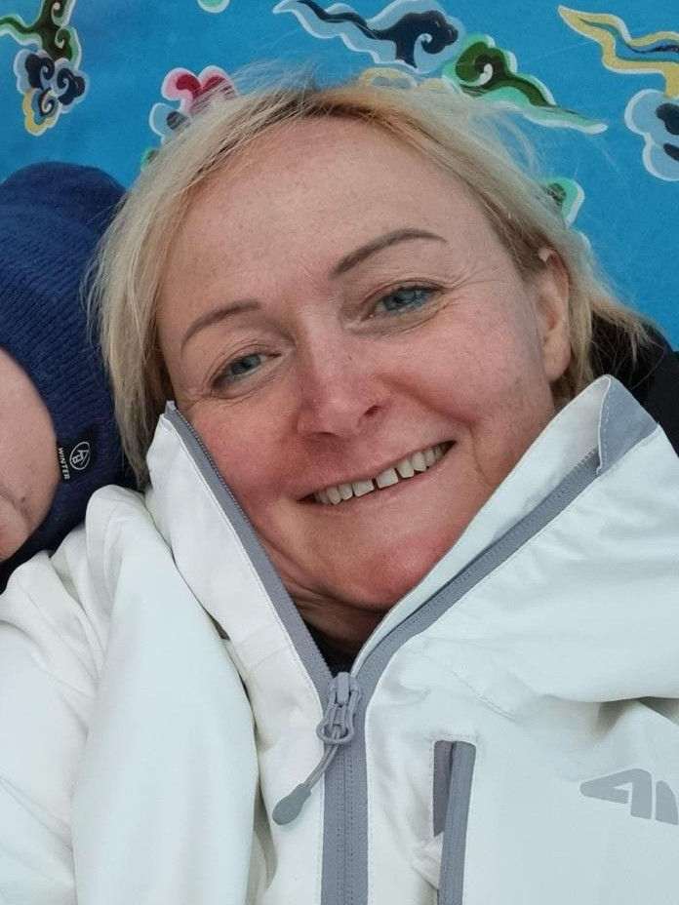 | Gyirong port area
14 | JŪLIJA | JAKOVICKA | 16.10.1978 | LV7443082 + Belgian passport - EP168016 | Latvian / Belgian | Latvia / Belgium |  |  |  | Gyirong port area
15 | KATRIN | SAAR | 24.11.1967 | KE0149750 | Estonian | Estonia | +372 514 7573 | +3725573372 | 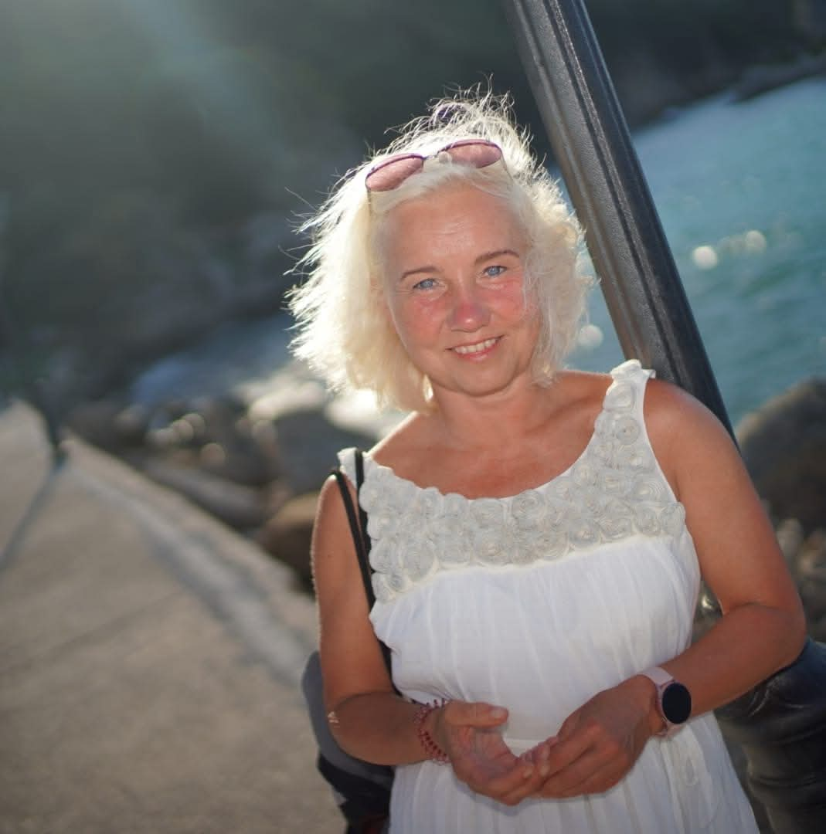 | Gyirong port area
16 | LĪGA | ČARNA | 14.03.1978 | LV5767832 | Latvian | Latvia, Limbaži |  | +371 26 138 920 (Ilmars) |  | Gyirong port area
17 | LILITA | KALNIŅA | 24.07.1970 | LV7554202 | Latvian | Latvia |  |  | 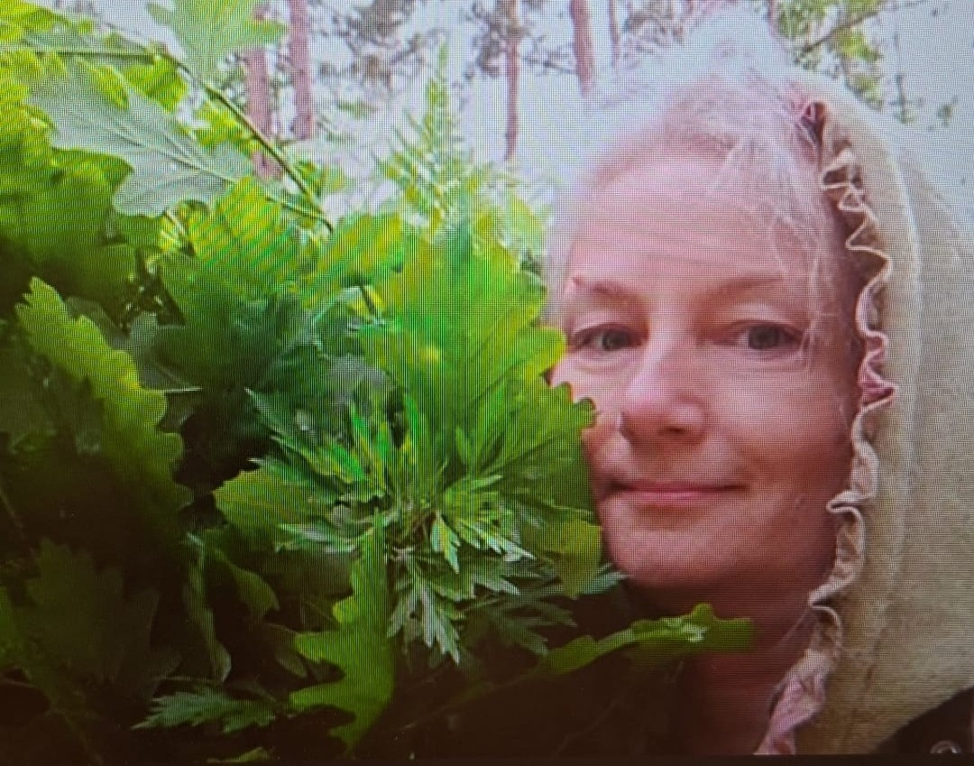 | Gyirong port area
18 | MARIA | ALEKSANDROVA | 17.11.1960 | KG0014561 | Estonian | Jõhvi, Estonia | +3725159397 | +372 53443175 (Julia) | 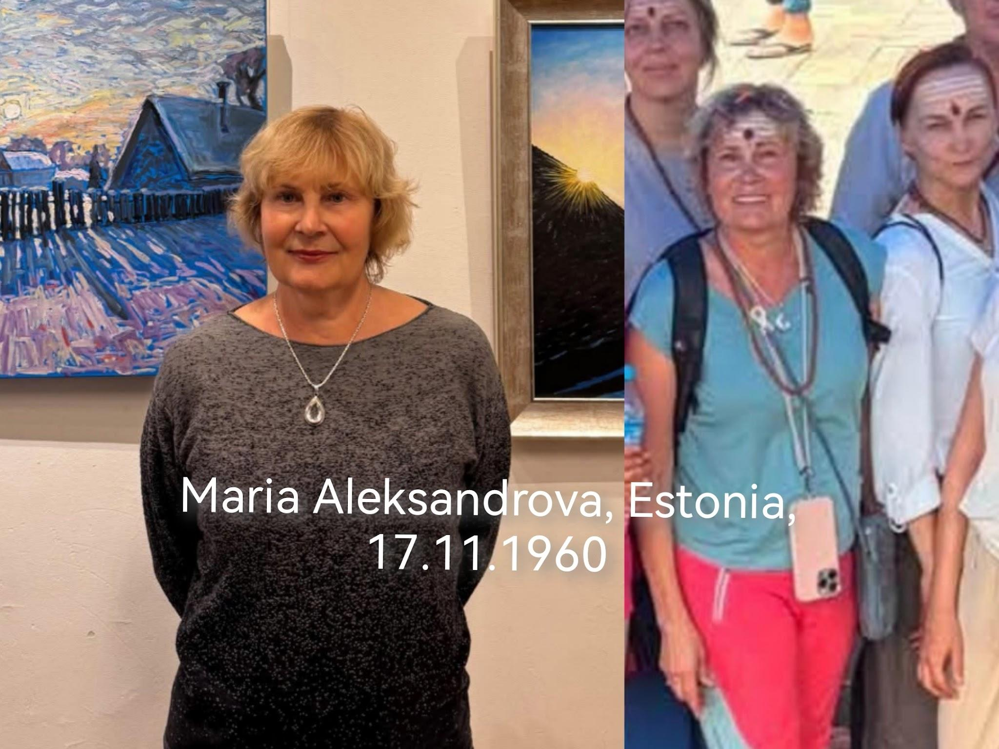 | Gyirong port area
19 | OLENA | KULIKOVA | 10.09.1969 | GB422571 (Ukr) | Ukrainian | Cyprus, Nicosia | +357 94 416706 | +357 94 401552 (Kateryna) |  | Gyirong port area
20 | OLGA | VANAGA | 21.05.1987 | LV6786425 | Latvian | Latvia | 37126099699 | ‪+371 26975213‬ (Jana) | 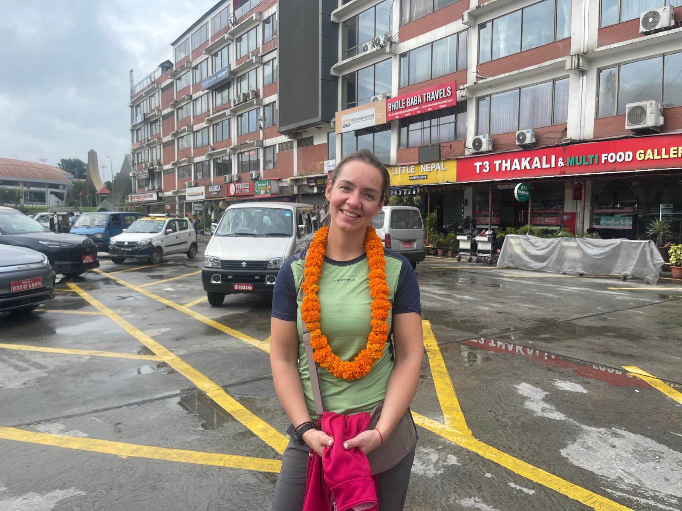 | Gyirong port area
21 | RAIMONDS | KĻAVIŅŠ | 23.10.1972 |  | Latvian | Latvia | +37129649017 | ‪+371 25 731 177‬ (Olga) |  | Gyirong port area
22 | RAIMONDS | FŪRMANIS | 21.04.1977 | LV6876933 | Latvian | Latvia | +37127700282 | +37126513931 (Klaudija) |  | Gyirong port area
23 | REGINA | KRASNOPJOROVA | 05.03.1961 | LV6709354 | Latvian | Latvia | "+371 29197096" | "+44 7514716284" (Artyom) |  | Gyirong port area
24 | SANDRA | STRAUME | 20.06.1978 | LV7290720 | Latvian | Latvia |  |  |  | Gyirong port area
25 | SERGEJS | JEFIMOVS | 01.12.1963 | LV7037416 | Latvian | Latvia | +371 29945359 | +371 29 945 359 (Anastasija) |  | Gyirong port area
26 | SERGEJS | ZAMBERS | 19.03.1973 | LV7409037 | Latvian | Latvia | 37125557825 | 37128888901 (Elina) |  | Gyirong port area
27 | SVETLANA | KRIŅICKA | 15.04.1968 | LV6600473 | Latvian | Latvia | 37122370033 | 37128888901 (Elina) |  | Gyirong port area
28 | SVETLANA | OKUŅA | 21.07.1965 | LV7268966 | Latvian | Latvia | +37129487071 | +37120079767 (Vera) |  | Gyirong port area
29 | TATJANA | VAĻUŠKINA | 02.05.1966 |  | Latvian | Latvia |  |  |  | Gyirong port area
30 | VIKTORIJA | DARAKOVA | 14.05.1970 | LV6172051 | Latvian | Latvia | +37129250994 | ‪+371 25 731 177‬ (Olga) |  | Gyirong port area
31 | VINETA | ŠĶĒRĪTE | 13.11.1973 | LV6945085 | Latvian | Latvia |  |  | 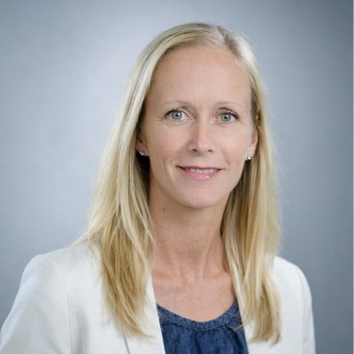 | Gyirong port area
32 | VITA | EISAKA-JEFIMOVA | 27.02.1973 | LV7266217 | Latvian | Latvia | +371 25959923 | +371 29 945 359 (Anastasija) |  | Gyirong port area

